Sheet1
S.No | Bug (SonarQube ref) | Code reference (file name, line no.) | Object of evidence
1 | Collection elements should not be replaced unconditionally
 |  | UpcomingCasesViewController()
 |  | LineNo: 865
 |  | PreferenceListViewController()
 |  | Line No:133

2 | Collection sizes comparisons should make sense | UpcomingCasesViewController()
 |  | LineNo:927

3 | All branches in a conditional structure should not have exactly the same implementation | SolutionEditorViewController() | 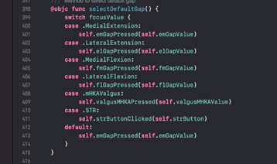
 |  | LineNo:217
 |  | SolutionResectionViewController()
 |  | LineNo:258
 |  | SolutionGapsViewController()
 |  | LineNo:398
 |  | ResctionAlgorithm()
 |  | LineNo: 1055

4 | Infix operators that end with "=" should update their left operands | Interactivelabel() | 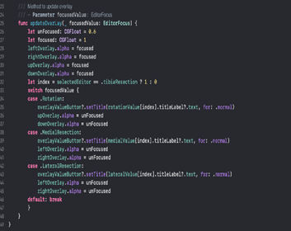
 |  | LineNo:305
 |  | SolutionResectionViewController()
 |  | LineNo:523
 |  | ResectionEditorViewController()
 |  | LineNo:154

5 | Precedence and associativity of standard operators should not be changed | ResectionAlgorithm()
 |  | LineNo: 2427
 |  | Solution()
 |  | LineNo: 278

6 | Return values from functions without side effects should not be ignored | AuthViewController()
 |  | LineNo: 138

7 | Related "if/else if" statements and "cases" in a "switch" should not have the same condition | InitialPositionViewController()
 |  | LineNo: 980
 |  | GapsEditorViewController()
 |  | LineNo: 500

8 | Identical expressions should not be used on both sides of a binary operator | ResectionAlgorith()
 |  | KBPageViewController()
 |  | LineNo:374

9 | All code should be reachable | SolutionEditorViewController()
 |  | LineNo:326
 |  | LimitsData()
 |  | LineNo:854

10 | Loops with at most one iteration should be refactored | SolutionResectionViewController()
 |  | LineNo:554
 |  | ResectionAlgorithm()
 |  | LineNo:1687

11 | Implicitly unwrapped optionals should not be used | UpcomingCasesViewController()
 |  | LineNO: 756
 |  | PreferenceScale()
 |  | LineNo:10

12 | The ternary operator should not return the same value regardless of the condition | PreferenceViewController()
 |  | LineNo:1640
 |  | GapsEditorViewController()
 |  | LineNo:440

13 | Floating point numbers should not be tested for equality | SolutionGapsViewController()
 |  | LineNo: 480
 |  | ResectionEditorViewController()
 |  | LineNo:410

14 | Useless "if true {...}" and "if false {...}" blocks should be removed | InitialPositionViewController()
 |  | LineNo: 491
 |  | UpcomingCasesViewController()
 |  | LineNo:213

